Sheet1
Introduction
1) Background
- Conventionally, when using genomic datasets as input features, many research made each feature variable independently {a1,a2,b1,b2 …}
- this does not capture the relationship between taxon which can cause information loss
- 미생물 데이터와 같이 계층 구조 (Hierarchy)를 가진 데이터의 표현 학습
- 계층상 가까운 노드는 표현 공간에서도 가깝게 위치해야함
- 혐기소화 미생물 특징: Bacteria, Archaea가 공존/상호의존하며 메탄 생성 메커니즘 이룸. 둘은 계통학적으로는 멀리 떨어져 있지만 이러한 관계로 인해 syntrophic relation을 갖는 bacteria 와 archaea 는 embedding space 에서 고유한 매핑 관계를 형성할 것
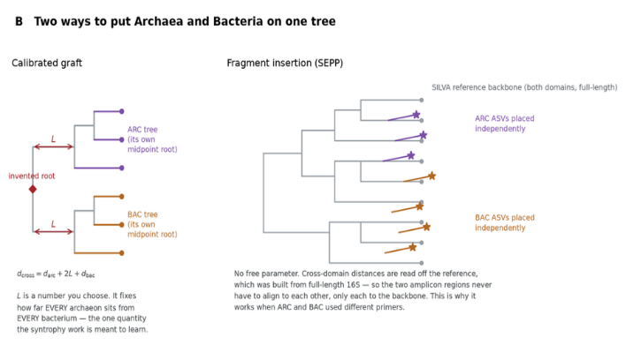
- relative abundance 만 넣게 되면 미생물 군집 간의 관계성에 대한 정보 x, hierarchy가 고려되면 space 안에서 비슷한 미생물 군집이 비슷한 원인을 제공하여 결과를 제시

0) Dataset
- low resolution at species level (~ 80% unclassified), high dimensional => built trees, taxonomic classification at genus level
- same sites sampled under same type of train/test data since they are dependent

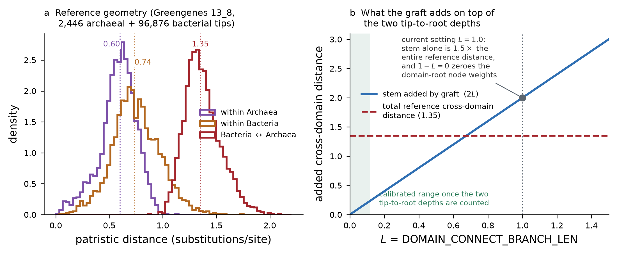
type | nwk
single domain | root = BAC/ARC
merged domain | root = domain | -> simply grafting two top tips will give L=2 -> larger distance than actual tips distance (1.35) -> Fragment insertion (SEPP) based on SILVA database

1) Stability indicator |  |  |  |  |  |  | [result] |  |  | imbalanced dataset handling in multi-output classification
Indicator | Parameter / Metric | Normal Range | Warning Flag Threshold | Associated Risk | ref |  | Positive | negative |  | 1) loss fucntion: nn.BCEWithLogitsLoss with pos_weight [1],[2]
Acid-Base Balance | pH | 6.8 – 7.8 | < 6.5 or > 8.0 | Souring or free ammonia toxicity | [1] |  | 21 | 119 |  | 2) evaluation metrics: mcc, AUPR [3][4]
Buffer Capacity | TVFA/Alk | < 0.30 | >=0.30 | Destruction of bicarbonate buffer | [1],[2] |  | 9 | 131
Acid Accumulation | HPr/Hac | < 1.0 | (> 1.4 and HPr > 0.1) or HPr >=0.8 | Syntrophic acetogenesis failure | [1],[3] |  | 4 | 136 |  | [1] Cui, Y., Jia, M., Lin, T. Y., Song, Y., & Belongie, S. (2019, June). Class-balanced loss based on effective number of samples. In 2019 IEEE/CVF conference on computer vision and pattern recognition (CVPR) (pp. 9260-9269). IEEE.
Ammonia Toxicity | TAN | < 1,500mg/L | > 2,500 mg/L | Methanogenic growth inhibition | [3] |  | 26 | 114 |  | [2] Lin, T. Y., Goyal, P., Girshick, R., He, K., & Dollár, P. (2017). Focal loss for dense object detection. In Proceedings of the IEEE international conference on computer vision (pp. 2980-2988).
Biogas Quality | CH4 | 55% - 70% | < 50% | Shift to acidogenesis / gas loss | [1] |  | 7 | 133 |  | [3] Richardson, E., Trevizani, R., Greenbaum, J. A., Carter, H., Nielsen, M., & Peters, B. (2024). The receiver operating characteristic curve accurately assesses imbalanced datasets. Patterns, 5(6).
 |  |  |  |  |  |  | challenge: imbalanced result |  |  | [4] Chicco, D., & Jurman, G. (2020). The advantages of the Matthews correlation coefficient (MCC) over F1 score and accuracy in binary classification evaluation. BMC genomics, 21(1), 6.
ref
[1] Boe, K., Batstone, D. J., Steyer, J.-P., & Angelidaki, I. (2010). State indicators for monitoring the anaerobic digestion process. Water Research, 44(20), 5973–5980. https://doi.org/10.1016/j.watres.2010.07.043
[2] Chen, L., Zheng, T., Cao, Q., Zhou, Y., Liu, X., & Li, D. (2020). Early warning of instability during mesophilic anaerobic digestion of chicken manure. Applied Ecology and Environmental Research, 18(1), 331–343. https://doi.org/10.15666/aeer/1801_331343
[3] Singh, A., Schnürer, A., Dolfing, J., & Westerholm, M. (2023). Syntrophic entanglements for propionate and acetate oxidation under thermophilic and high-ammonia conditions. The ISME Journal, 17(11), 1966–1978. https://doi.org/10.1038/s41396-023-01504-y

2) Benchmark model
 |  |  |  |  |  |  | Model | Relative abundance | hierarchical topology | branch length | BAC&ARC
1. Taxlevel (Random Forest, KNN, NNET, XGBoost, GLMNET) relative abundance |  |  |  |  |  |  | ML model | o | x | x | x
2. hierarchy (tree) + relative abundance |  |  |  |  |  |  | MetaDR | o | o | x | x
3. hierahcy (tree) + cross-domain + relative abundance |  |  |  |  |  |  | DeepPhylo | o | x | o | x | tree -> distance matrix , PCA embedding
 |  |  |  |  |  |  | Phylo-spec | o | o | o | x | tree -> keep as live scaffold -> 1D convolution
60epoch, 10 patience, early stopping

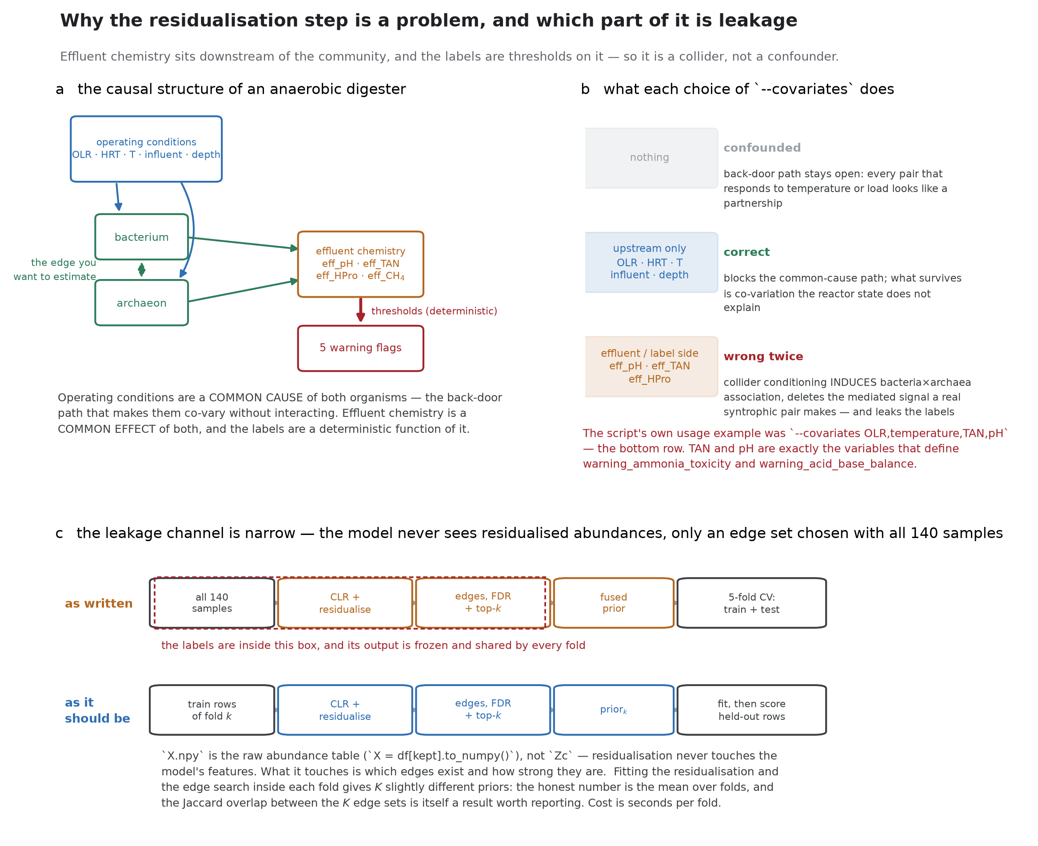
Evaluation metric for multiple output classification
- cross validation (5 folds): small number of samples
- MCC : optimized threshold for each target variable
- F2 score: emphasize the Recall since FN is more 치명적 than FP when assessing digesters' state
- AUPR: threshold independent -> good for baseline since if AUPR 상승중 but MCC 낮음 -> 모델 성능은 좋지만 threshold 잘못 선택된 것; TN 수가 너무 커서 지표를 왜곡시키는 것 방지 since it neglects TN value,
- macro average
- workflow : AUPR 기반 모델 선택 -> 검증 시점 MCC 기반 threshold 최적화 -> test data: multiple evaluation metrics

3) BAC&ARC relationship
co-occurrence network analysis : 누구와 누구가 같이 관찰되는가 (GNN - Water Res)
proposed: 환경변수의 영향을 먼제 제거한 뒤 살아남은 순수한 상관관계를 계통수 상의 거리 단축으로 변환 |  |  |  |  |  |  |  |  | covariates:T, HRT, Q_total, Season, substrate_avg_pH,Alk, COD, sCOD, Protein, Lipid,Protein, TC, TVFAs
 | network analysis | proposed
Edge generation | relative abundance correlation | OLS residuals
Target | every microbes | only bac x arc
output | graph dataset | transformed to shortcut in euclidean space
Proposed workflow
교란변수 제거 (CLR변환, OLS) > Bacteria x Archaea Spearman's correlation > generate shortcut branch on phylogenetic tree

Result
1) TaxLevel
Dataset | Flag | n_pos | prevalence | MCC |  |  |  |  | AUPR |  |  |  |  | F2 |  |  |  |  |  | Dataset | Phylum | Class | Order | Family | Genus
 |  |  |  | Phylum | Class | Order | Family | Genus | Phylum | Class | Order | Family | Genus | Phylum | Class | Order | Family | Genus |  | ARC | XGBoost | XGBoost | XGBoost | XGBoost | XGBoost
ARC | buffer_capacity | 9 | 0.07 | -0.12 | 0.00 | -0.08 | 0.02 | 0.11 | 0.06 | 0.08 | 0.07 | 0.09 | 0.12 | 0.19 | 0.16 | 0.22 | 0.22 | 0.28 |  | BAC | XGBoost | XGBoost | XGBoost | GLMNET | GLMNET
 | acid_base_balance | 20 | 0.14 | 0.13 | 0.17 | 0.16 | 0.18 | 0.12 | 0.31 | 0.29 | 0.30 | 0.30 | 0.28 | 0.27 | 0.33 | 0.29 | 0.41 | 0.38 |  | merged | RF | XGBoost | XGBoost | GLMNET | GLMNET
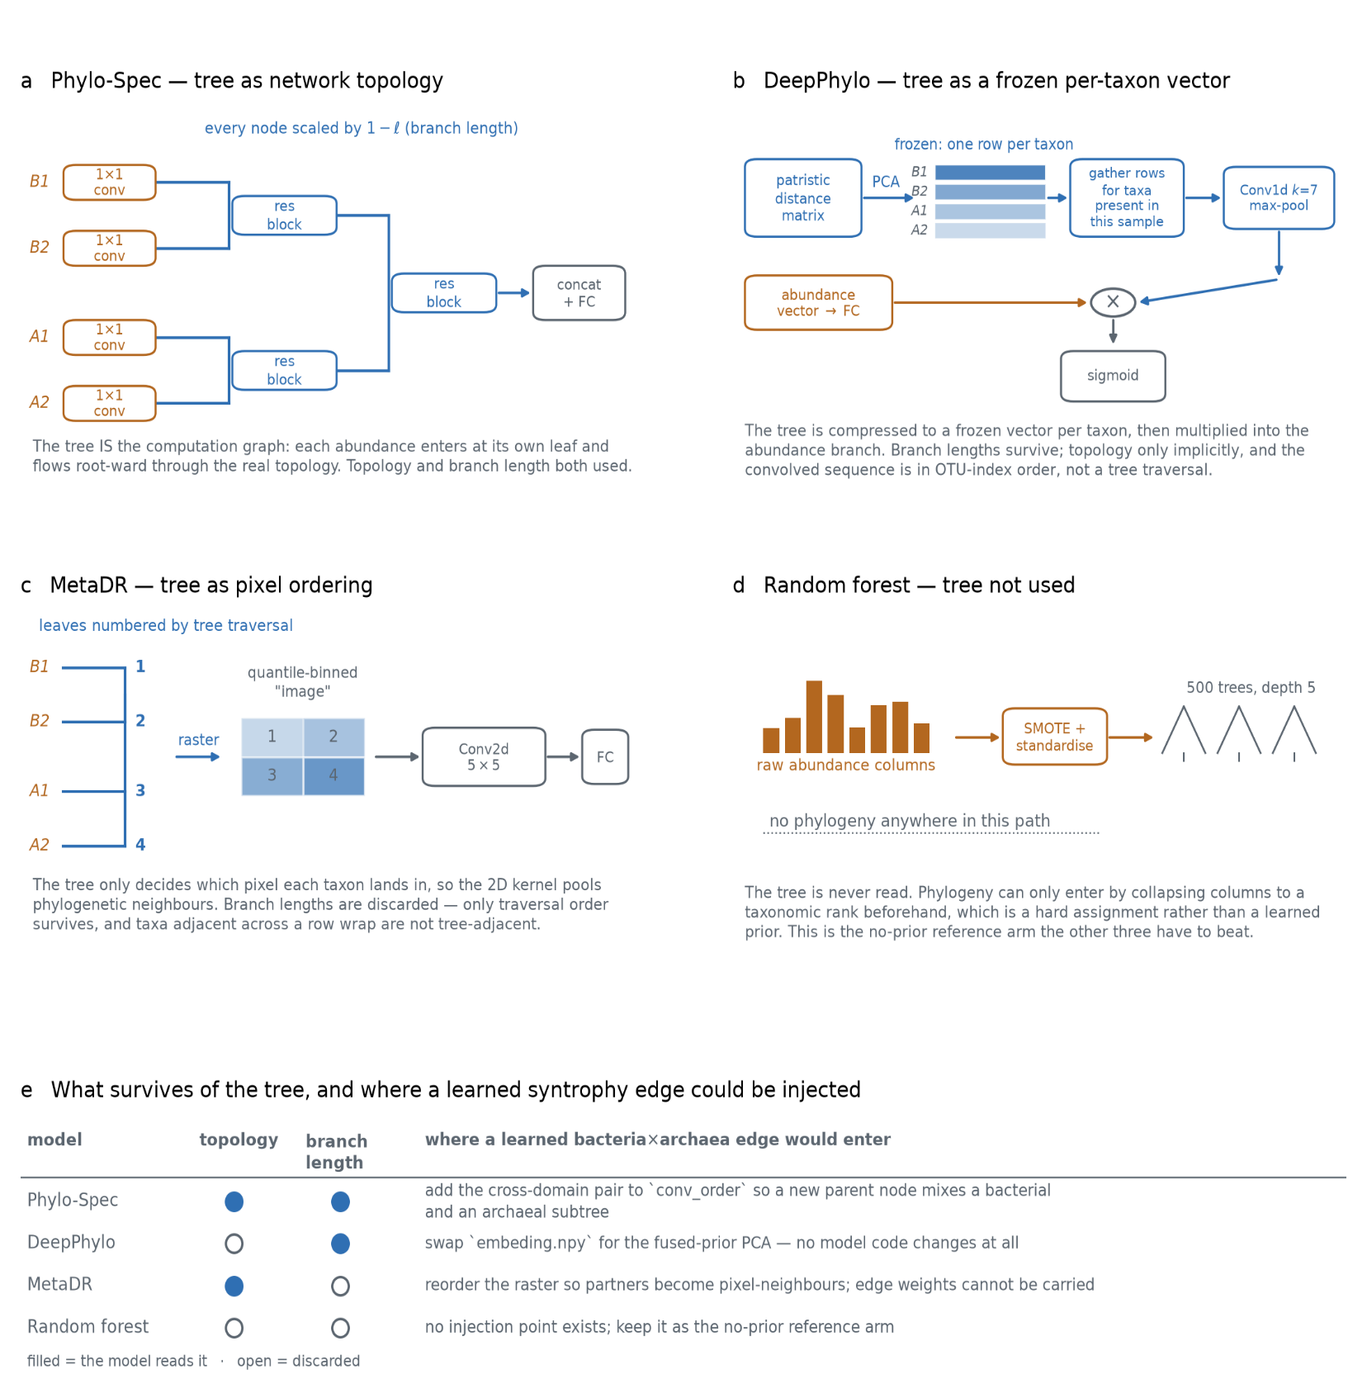
 | acid_accumulation | 4 | 0.03 | 0.03 | -0.02 | 0.02 | 0.19 | 0.15 | 0.04 | 0.03 | 0.03 | 0.24 | 0.12 | 0.13 | 0.10 | 0.12 | 0.27 | 0.24
 | ammonia_toxicity | 26 | 0.19 | 0.45 | 0.46 | 0.46 | 0.42 | 0.47 | 0.60 | 0.57 | 0.57 | 0.55 | 0.59 | 0.56 | 0.61 | 0.63 | 0.63 | 0.68
 | biogas_quality | 7 | 0.05 | 0 | -0.04 | -0.04 | 0.10 | 0.12 | 0.06 | 0.05 | 0.05 | 0.08 | 0.12 | 0.22 | 0.16 | 0.19 | 0.26 | 0.28
 | Macro-avg |  |  | 0.17 | 0.14 | 0.15 | 0.22 | 0.22 | 0.25 | 0.23 | 0.24 | 0.29 | 0.28 | 0.30 | 0.30 | 0.31 | 0.39 | 0.39
BAC | buffer_capacity | 9 | 0.07 | 0.08 | 0.14 | 0.25 | 0.21 | 0.11 | 0.10 | 0.26 | 0.30 | 0.22 | 0.14 | 0.22 | 0.27 | 0.28 | 0.27 | 0.21
 | acid_base_balance | 20 | 0.14 | 0.39 | 0.24 | 0.31 | 0.28 | 0.15 | 0.52 | 0.37 | 0.32 | 0.41 | 0.28 | 0.46 | 0.46 | 0.48 | 0.35 | 0.30
 | acid_accumulation | 4 | 0.03 | 0.10 | 0.16 | 0.57 | 0.19 | 0.23 | 0.11 | 0.13 | 0.48 | 0.33 | 0.31 | 0.15 | 0.24 | 0.59 | 0.21 | 0.24
 | ammonia_toxicity | 26 | 0.19 | 0.59 | 0.54 | 0.59 | 0.53 | 0.47 | 0.63 | 0.72 | 0.64 | 0.54 | 0.46 | 0.79 | 0.70 | 0.77 | 0.73 | 0.68
 | biogas_quality | 7 | 0.05 | 0 | 0.19 | 0.10 | 0.30 | 0.26 | 0.06 | 0.20 | 0.12 | 0.31 | 0.35 | 0.20 | 0.31 | 0.24 | 0.31 | 0.32
 | Macro-avg |  |  | 0.28 | 0.28 | 0.39 | 0.32 | 0.28 | 0.33 | 0.35 | 0.39 | 0.40 | 0.35 | 0.40 | 0.43 | 0.52 | 0.40 | 0.38
merged | buffer_capacity | 9 | 0.07 | -0.02 | 0.11 | 0.21 | 0.15 | 0.11 | 0.08 | 0.22 | 0.28 | 0.29 | 0.13 | 0.15 | 0.26 | 0.27 | 0.24 | 0.23
 | acid_base_balance | 20 | 0.14 | 0.37 | 0.25 | 0.27 | 0.26 | 0.11 | 0.44 | 0.33 | 0.29 | 0.37 | 0.24 | 0.52 | 0.41 | 0.43 | 0.29 | 0.25
 | acid_accumulation | 4 | 0.03 | 0.13 | 0.10 | 0.60 | 0.23 | 0.16 | 0.11 | 0.12 | 0.54 | 0.32 | 0.25 | 0.20 | 0.18 | 0.63 | 0.23 | 0.22
 | ammonia_toxicity | 26 | 0.19 | 0.66 | 0.57 | 0.57 | 0.54 | 0.47 | 0.59 | 0.71 | 0.64 | 0.54 | 0.47 | 0.83 | 0.72 | 0.76 | 0.75 | 0.67
 | biogas_quality | 7 | 0.05 | 0 | 0.14 | 0.02 | 0.32 | 0.32 | 0.06 | 0.10 | 0.10 | 0.40 | 0.41 | 0.15 | 0.28 | 0.18 | 0.31 | 0.32
 | Macro-avg |  |  | 0.29 | 0.27 | 0.36 | 0.34 | 0.27 | 0.30 | 0.32 | 0.39 | 0.41 | 0.34 | 0.42 | 0.40 | 0.50 | 0.40 | 0.36
2) ASV-tree
Dataset | Flag | n_pos | prevalence | MCC |  |  | AUPR |  |  | F2
 |  |  |  | DeepPhylo | MetaDR | Phylospec | DeepPhylo | MetaDR | Phylospec | DeepPhylo | MetaDR | Phylospec
ARC | buffer_capacity | 9 | 0.07 | -0.11 | -0.07 | -0.11 | 0.06 | 0.06 | 0.06 | 0.17 | 0.15 | 0.20
 | acid_base_balance | 20 | 0.14 | 0.15 | 0.07 | 0.18 | 0.26 | 0.23 | 0.25 | 0.42 | 0.34 | 0.42
 | acid_accumulation | 4 | 0.03 | 0.02 | 0.00 | 0.05 | 0.06 | 0.04 | 0.23 | 0.13 | 0.10 | 0.11
 | ammonia_toxicity | 26 | 0.19 | 0.53 | 0.43 | 0.60 | 0.64 | 0.56 | 0.67 | 0.71 | 0.59 | 0.77
 | biogas_quality | 7 | 0.05 | -0.04 | 0.06 | 0.02 | 0.08 | 0.11 | 0.06 | 0.12 | 0.20 | 0.16
 | Macro-avg |  |  | 0.16 | 0.14 | 0.21 | 0.26 | 0.23 | 0.30 | 0.35 | 0.31 | 0.37
BAC | buffer_capacity | 9 | 0.07 | -0.05 | -0.02 | -0.16 | 0.08 | 0.06 | 0.07 | 0.11 | 0.19 | 0.11
 | acid_base_balance | 20 | 0.14 | 0.28 | 0.27 | 0.24 | 0.33 | 0.28 | 0.44 | 0.48 | 0.48 | 0.40
 | acid_accumulation | 4 | 0.03 | 0.05 | 0.03 | -0.06 | 0.05 | 0.05 | 0.09 | 0.14 | 0.12 | 0.09
 | ammonia_toxicity | 26 | 0.19 | 0.61 | 0.67 | 0.47 | 0.56 | 0.72 | 0.48 | 0.77 | 0.83 | 0.67
 | biogas_quality | 7 | 0.05 | 0.04 | -0.02 | -0.28 | 0.08 | 0.06 | 0.04 | 0.18 | 0.12 | 0.12
 | Macro-avg |  |  | 0.25 | 0.24 | 0.09 | 0.25 | 0.28 | 0.26 | 0.39 | 0.39 | 0.32
merged | buffer_capacity | 9 | 0.07 | -0.04 | -0.03 | -0.10 | 0.06 | 0.06 | 0.05 | 0.18 | 0.16 | 0.19
 | acid_base_balance | 20 | 0.14 | 0.35 | 0.18 | 0.30 | 0.36 | 0.28 | 0.43 | 0.56 | 0.41 | 0.47
 | acid_accumulation | 4 | 0.03 | 0.04 | -0.02 | 0.03 | 0.06 | 0.04 | 0.05 | 0.13 | 0.08 | 0.12
 | ammonia_toxicity | 26 | 0.19 | 0.61 | 0.56 | 0.60 | 0.66 | 0.62 | 0.53 | 0.79 | 0.72 | 0.81
 | biogas_quality | 7 | 0.05 | 0.08 | -0.04 | -0.17 | 0.08 | 0.06 | 0.05 | 0.21 | 0.11 | 0.11
 | Macro-avg |  |  | 0.27 | 0.17 | 0.19 | 0.29 | 0.25 | 0.27 | 0.42 | 0.33 | 0.38
3) Genus-tree
Dataset | Flag | n_pos | prevalence | MCC |  |  | AUPR |  |  | F2
 |  |  |  | DeepPhylo | MetaDR | Phylospec | DeepPhylo | MetaDR | Phylospec | DeepPhylo | MetaDR | Phylospec
ARC | buffer_capacity | 9 | 0.07 | -0.08 | -0.04 | -0.03 | 0.06 | 0.07 | 0.06 | 0.11 | 0.17 | 0.24
 | acid_base_balance | 20 | 0.14 | 0.11 | 0.28 | 0.23 | 0.20 | 0.26 | 0.25 | 0.33 | 0.53 | 0.46
 | acid_accumulation | 4 | 0.03 | -0.02 | 0.16 | 0.13 | 0.03 | 0.09 | 0.09 | 0.09 | 0.24 | 0.22
 | ammonia_toxicity | 26 | 0.19 | 0.07 | 0.47 | 0.44 | 0.24 | 0.56 | 0.49 | 0.32 | 0.70 | 0.66
 | biogas_quality | 7 | 0.05 | 0.00 | 0.10 | 0.07 | 0.05 | 0.11 | 0.07 | 0.20 | 0.26 | 0.24
 | Macro-avg |  |  | 0.04 | 0.25 | 0.22 | 0.13 | 0.25 | 0.22 | 0.24 | 0.43 | 0.40
BAC | buffer_capacity | 9 | 0.07 | -0.04 | 0.02 | 0.07 | 0.07 | 0.08 | 0.09 | 0.10 | 0.22 | 0.25
 | acid_base_balance | 20 | 0.14 | 0.22 | 0.28 | 0.34 | 0.31 | 0.35 | 0.49 | 0.42 | 0.50 | 0.50
 | acid_accumulation | 4 | 0.03 | 0.10 | 0.05 | 0.13 | 0.05 | 0.07 | 0.21 | 0.17 | 0.14 | 0.19
 | ammonia_toxicity | 26 | 0.19 | 0.46 | 0.64 | 0.56 | 0.40 | 0.60 | 0.52 | 0.72 | 0.81 | 0.78
 | biogas_quality | 7 | 0.05 | 0.01 | 0.07 | 0.05 | 0.07 | 0.08 | 0.08 | 0.13 | 0.22 | 0.23
 | Macro-avg |  |  | 0.20 | 0.26 | 0.27 | 0.21 | 0.27 | 0.33 | 0.36 | 0.42 | 0.43
merged | buffer_capacity | 9 | 0.07 | -0.01 | -0.11 | -0.04 | 0.11 | 0.05 | 0.06 | 0.14 | 0.20 | 0.18
 | acid_base_balance | 20 | 0.14 | 0.24 | 0.32 | 0.32 | 0.28 | 0.33 | 0.40 | 0.51 | 0.58 | 0.54
 | acid_accumulation | 4 | 0.03 | 0.09 | 0.16 | 0.10 | 0.13 | 0.06 | 0.16 | 0.17 | 0.22 | 0.17
 | ammonia_toxicity | 26 | 0.19 | 0.36 | 0.62 | 0.47 | 0.43 | 0.57 | 0.50 | 0.59 | 0.81 | 0.67
 | biogas_quality | 7 | 0.05 | 0.09 | -0.01 | 0.07 | 0.14 | 0.06 | 0.09 | 0.21 | 0.19 | 0.22
 | Macro-avg |  |  | 0.20 | 0.27 | 0.24 | 0.25 | 0.25 | 0.29 | 0.37 | 0.45 | 0.40
4) ASV-tree + cross-domain
Dataset | Flag | n_pos | prevalence | MCC |  |  | AUPR |  |  | F2
 |  |  |  | DeepPhylo | MetaDR | Phylospec | DeepPhylo | MetaDR | Phylospec | DeepPhylo | MetaDR | Phylospec
merged | buffer_capacity | 9 | 0.07 | -0.04 | -0.04 | -0.11 | 0.07 | 0.07 | 0.08 | 0.13 | 0.12 | 0.16
 | acid_base_balance | 20 | 0.14 | 0.26 | 0.15 | 0.31 | 0.31 | 0.25 | 0.46 | 0.46 | 0.44 | 0.47
 | acid_accumulation | 4 | 0.03 | 0.12 | -0.03 | 0.01 | 0.09 | 0.04 | 0.05 | 0.21 | 0.05 | 0.11
 | ammonia_toxicity | 26 | 0.19 | 0.57 | 0.53 | 0.61 | 0.60 | 0.62 | 0.49 | 0.76 | 0.69 | 0.81
 | biogas_quality | 7 | 0.05 | 0.11 | -0.04 | -0.12 | 0.15 | 0.09 | 0.06 | 0.23 | 0.13 | 0.06
 | Macro-avg |  |  | 0.27 | 0.15 | 0.20 | 0.29 | 0.25 | 0.27 | 0.42 | 0.33 | 0.36
5) Genus-tree + cross-domain
Dataset | Flag | n_pos | prevalence | MCC |  |  | AUPR |  |  | F2
 |  |  |  | DeepPhylo | MetaDR | Phylospec | DeepPhylo | MetaDR | Phylospec | DeepPhylo | MetaDR | Phylospec
merged | buffer_capacity | 9 | 0.07 | -0.01 | -0.09 | 0.00 | 0.11 | 0.06 | 0.06 | 0.15 | 0.20 | 0.20
 | acid_base_balance | 20 | 0.14 | 0.27 | 0.28 | 0.35 | 0.29 | 0.32 | 0.39 | 0.50 | 0.54 | 0.54
 | acid_accumulation | 4 | 0.03 | 0.07 | 0.02 | 0.04 | 0.14 | 0.04 | 0.04 | 0.15 | 0.12 | 0.10
 | ammonia_toxicity | 26 | 0.19 | 0.57 | 0.60 | 0.51 | 0.57 | 0.62 | 0.53 | 0.77 | 0.79 | 0.71
 | biogas_quality | 7 | 0.05 | 0.08 | 0.04 | 0.03 | 0.17 | 0.07 | 0.10 | 0.17 | 0.19 | 0.18
 | Macro-avg |  |  | 0.25 | 0.24 | 0.23 | 0.29 | 0.26 | 0.27 | 0.40 | 0.41 | 0.38

Merged dataset |  |  |  | 1) Taxa-level |  |  |  |  | 2) Genus-tree |  |  | 3) Genus-tree + cross-domain |  |  | 4) ASV-tree |  |  | 5) ASV-tree + cross-domain
 |  |  |  | Phylum | Class | Order | Family | Genus | DeepPhylo | MetaDR | Phylospec | DeepPhylo | MetaDR | Phylospec | DeepPhylo | MetaDR | Phylospec | DeepPhylo | MetaDR | Phylospec
MCC | buffer_capacity | 9 | 0.07 | -0.02 | 0.11 | 0.21 | 0.15 | 0.11 | -0.01 | -0.11 | -0.04 | -0.01 | -0.09 | 0.00 | -0.04 | -0.03 | -0.10 | -0.04 | -0.04 | -0.11
 | acid_base_balance | 4 | 0.03 | 0.37 | 0.25 | 0.27 | 0.26 | 0.11 | 0.24 | 0.32 | 0.32 | 0.27 | 0.28 | 0.35 | 0.35 | 0.18 | 0.30 | 0.26 | 0.15 | 0.31
 | acid_accumulation | 20 | 0.14 | 0.13 | 0.10 | 0.60 | 0.23 | 0.16 | 0.09 | 0.16 | 0.10 | 0.07 | 0.02 | 0.04 | 0.04 | -0.02 | 0.03 | 0.12 | -0.03 | 0.01
 | ammonia_toxicity | 26 | 0.19 | 0.66 | 0.57 | 0.57 | 0.54 | 0.47 | 0.36 | 0.62 | 0.47 | 0.57 | 0.60 | 0.51 | 0.61 | 0.56 | 0.60 | 0.57 | 0.53 | 0.61
 | biogas_quality | 7 | 0.05 | 0 | 0.14 | 0.02 | 0.32 | 0.32 | 0.09 | -0.01 | 0.07 | 0.08 | 0.04 | 0.03 | 0.08 | -0.04 | -0.17 | 0.11 | -0.04 | -0.12
 | Macro-avg |  |  | 0.23 | 0.24 | 0.33 | 0.30 | 0.23 | 0.16 | 0.20 | 0.18 | 0.20 | 0.17 | 0.19 | 0.21 | 0.13 | 0.13 | 0.20 | 0.11 | 0.14
F2 | buffer_capacity | 9 | 0.07 | 0.15 | 0.26 | 0.27 | 0.24 | 0.23 | 0.14 | 0.20 | 0.18 | 0.15 | 0.20 | 0.20 | 0.18 | 0.16 | 0.19 | 0.13 | 0.12 | 0.16
 | acid_base_balance | 4 | 0.03 | 0.52 | 0.41 | 0.43 | 0.29 | 0.25 | 0.51 | 0.58 | 0.54 | 0.50 | 0.54 | 0.54 | 0.56 | 0.41 | 0.47 | 0.46 | 0.44 | 0.47
 | acid_accumulation | 20 | 0.14 | 0.20 | 0.18 | 0.63 | 0.23 | 0.22 | 0.17 | 0.22 | 0.17 | 0.15 | 0.12 | 0.10 | 0.13 | 0.08 | 0.12 | 0.21 | 0.05 | 0.11
 | ammonia_toxicity | 26 | 0.19 | 0.83 | 0.72 | 0.76 | 0.75 | 0.67 | 0.59 | 0.81 | 0.67 | 0.77 | 0.79 | 0.71 | 0.79 | 0.72 | 0.81 | 0.76 | 0.69 | 0.81
 | biogas_quality | 7 | 0.05 | 0.15 | 0.28 | 0.18 | 0.31 | 0.32 | 0.21 | 0.19 | 0.22 | 0.17 | 0.19 | 0.18 | 0.21 | 0.11 | 0.11 | 0.23 | 0.13 | 0.06
 | Macro-avg |  |  | 0.37 | 0.37 | 0.45 | 0.37 | 0.34 | 0.32 | 0.40 | 0.36 | 0.35 | 0.37 | 0.35 | 0.37 | 0.30 | 0.34 | 0.36 | 0.29 | 0.32
AUPR | buffer_capacity | 9 | 0.07 | 0.08 | 0.22 | 0.28 | 0.29 | 0.13 | 0.11 | 0.05 | 0.06 | 0.11 | 0.06 | 0.06 | 0.06 | 0.06 | 0.05 | 0.07 | 0.07 | 0.08
 | acid_base_balance | 4 | 0.03 | 0.44 | 0.33 | 0.29 | 0.37 | 0.24 | 0.28 | 0.33 | 0.40 | 0.29 | 0.32 | 0.39 | 0.36 | 0.28 | 0.43 | 0.31 | 0.25 | 0.46
 | acid_accumulation | 20 | 0.14 | 0.11 | 0.12 | 0.54 | 0.32 | 0.25 | 0.13 | 0.06 | 0.16 | 0.14 | 0.04 | 0.04 | 0.06 | 0.04 | 0.05 | 0.09 | 0.04 | 0.05
 | ammonia_toxicity | 26 | 0.19 | 0.59 | 0.71 | 0.64 | 0.54 | 0.47 | 0.43 | 0.57 | 0.50 | 0.57 | 0.62 | 0.53 | 0.66 | 0.62 | 0.53 | 0.60 | 0.62 | 0.49
 | biogas_quality | 7 | 0.05 | 0.06 | 0.10 | 0.10 | 0.40 | 0.41 | 0.14 | 0.06 | 0.09 | 0.17 | 0.07 | 0.10 | 0.08 | 0.06 | 0.05 | 0.15 | 0.09 | 0.06
 | Macro-avg |  |  | 0.26 | 0.30 | 0.37 | 0.38 | 0.30 | 0.22 | 0.21 | 0.24 | 0.26 | 0.22 | 0.22 | 0.24 | 0.21 | 0.22 | 0.24 | 0.22 | 0.23

- ASV tree < Genus tree: MetaDR, Phylo-spec
- Genus tree < ASV tree: Deepphylo
- ASV tree + cross domain > ASV : x
- Genus tree + cross domain > Genus: o

